Habitat Evaluation Guide
NRCS |  |  | Wildlife Habitat Evaluation Guide – Columbian Sharp-tailed Grouse

 |  |  |  |  |  | April 2010
Owner/Operator: |  |  |  | District:
County: |  |  |  | Field Office:
Assisted By: |  |  |  | Acres:
Location: |  |  |  | Date:
Farm & Tract #: |  |  |  | Contract #:

General Information: Columbian sharp-tailed grouse are found in mountain shrub communities mixed with grasslands, shrubs, and riparian areas. In Colorado, they are a west slope species. Serviceberry is their primary winter food. All life requisites should be within 4-6 miles of the lek site to provide useful sharp-tailed grouse habitat. Although free water may attract sharp-tails, it is not considered a limiting factor. Grouse obtain adequate water through their diet in the form of insects, plants, and dew.

 | Cover Factors
 | 1) Nesting and brood cover-percent canopy cover of grasses/forbs |  |  |  | Value | Before | After
 | a) | >40% |  |  | 1.0
 | b) | 25-39% |  |  | 0.5
 | c) | 10-24% |  |  | 0.3
 | d) | <10% |  |  | 0.1
 |  |  |  | Enter value here ------->

 | 2) Nesting and brood cover-percent canopy cover of shrubs |  |  |  | Value | Before | After
 | a) | 15-25% |  |  | 1.0
 | b) | 10-14% or 26-40% |  |  | 0.5
 | c) | 5-9% or 41-50% |  |  | 0.3
 | d) | <5% or >50% |  |  | 0.1
 |  |  |  | Enter value here ------->

 | 3) Residual cover-average height of grasses and forbs in spring prior to growing season |  |  |  | Value | Before | After
 | a) | >12 inches |  |  | 1.0
 | b) | 8-12 inches |  |  | 0.5
 | c) | 4-7 inches |  |  | 0.3
 | e) | <4 inches |  |  | 0.1
 |  |  |  | Enter value here ------->

 | 4) Dominant species composition |  |  |  | Value | Before | After
 | a) | Predominantly native grasses with tall structure that stand up through winter and spring (Basin wildrye, bluebunch wheatgrass, Idaho fescue, Sherman big bluegrass, mountain brome) |  |  | 1.0
 | b) | Predominantly non-native grasses that stand up through winter (tall wheatgrass, Russian wild rye) |  |  | 0.5
 | c) | Sod forming or non-native grasses that do not stand up through winter (smooth brome, crested wheatgrass, pubescent wheatgrass) |  |  | 0.1
 |  |  |  | Enter value here ------->

 | 5) Cover management |  |  |  | Value | Before | After
 | a) | Cover area not mowed, plowed, grazed, burned, harvested, etc. between April 1 - July 15 |  |  | 1.0
 | b) | Cover area not mowed, plowed, grazed, burned, harvested, etc. between April 15 - June 15 |  |  | 0.5
 | c) | Cover areas are mowed, plowed, grazed, burned, harvested, etc. between April 15 - June 1 |  |  | 0.1
 |  |  |  | Enter value here ------->

 | 6) Distance from identified lek sites to nesting and brood cover |  |  |  | Value | Before | After
 | a) | <1.5 miles |  |  | 1.0
 | b) | 1.6-3.0 miles |  |  | 0.7
 | c) | 3.1-5.0 miles |  |  | 0.5
 | d) | 5.1-10 miles |  |  | 0.3
 | e) | >10 miles |  |  | 0.0
 |  |  |  | Enter value here ------->

 | Food Factors
 | 7a) Winter food-Type of shrubs (species comp.) in distinct stands on planning unit |  |  |  | Value | Before | After
 | a) | Serviceberry |  |  | 1.0
 | b) | Willow, aspen, chokecherry, hawthorn, birch |  |  | 0.5
 | c) | Sagebrush, snowberry |  |  | 0.1
 | d) | No shrubs |  |  | 0.0
 |  |  |  | Enter value here ------->

 | 7b) Winter food-percent of planning unit in winter shrublands adequate for winter foods |  |  |  | Value | Before | After
 | a) | 20-40% |  |  | 1.0
 | b) | 5-19% or 41-60% |  |  | 0.5
 | c) | <5% or >60% |  |  | 0.1
 |  |  |  | Enter value here ------->

 | 7c) Average of 7a & 7b |  |  |  |  | #DIV/0! | #DIV/0!

 | 7d) Distance from center of planning unit to serviceberry, willow, aspen, chokecherry, hawthorn, or birch as described in 7a |  |  |  | Value | Before | After
 | a) | <1/2 mile |  |  | 1.0
 | b) | 1/2 - 1 mile |  |  | 0.7
 | c) | 1-2 miles |  |  | 0.5
 | d) | 2-4 miles |  |  | 0.3
 | e) | >4 miles |  |  | 0.0
 |  |  |  | Enter value here ------->

 | 7) Maximum of 7c & 7d |  |  |  |  | #DIV/0! | #DIV/0!

 | 8) Summer food-Percent of planning unit containing legumes and forbs in the plant community |  |  |  | Value | Before | After
 | a) | 40-60% |  |  | 1.0
 | b) | 20-30% or 61-80% |  |  | 0.5
 | c) | 10-19% or 81-90% |  |  | 0.3
 | d) | <10% or >90% |  |  | 0.1
 |  |  |  | Enter value here ------->

 | HSI Value is the lowest value for the above 8 factors. To improve the HSI, the lowest value in the before condition must be increased by implementing changes that will increase the value in the after condition
 |  |  |  |  |  | Before | After
 | Overall HSI -----------------------------------------------------------------------------------------------> |  |  |  |  | #DIV/0! | #DIV/0!

 | References:
 | Hoffman, R.W. 2003. Personal communication.

 | Rogers, G.E. 1969. The sharp-tailed grouse in Colorado. Colorado Game, Fish, and Parks Tech. Pub.No. 23. 94 pp.
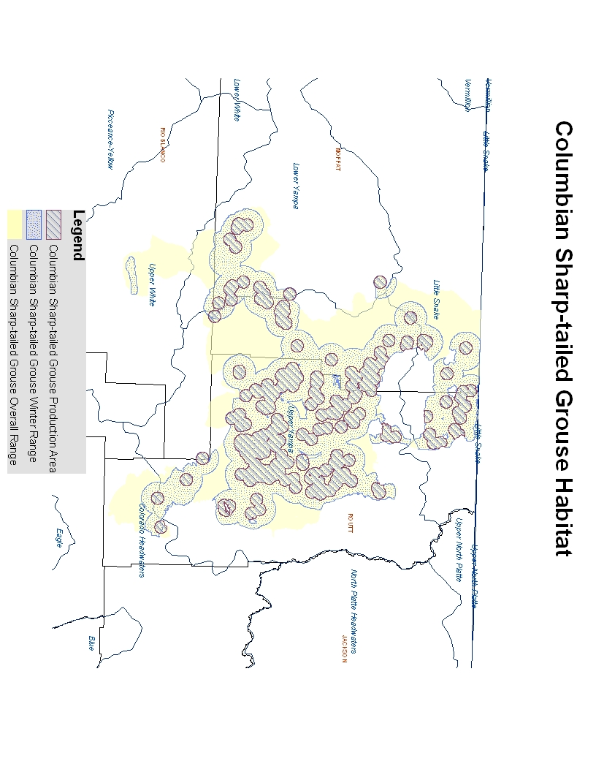

 |  | Service Center | Counties | Conservation District
 |  | Akron | ADAMS | Agate
 |  | Alamosa | ALAMOSA | Baca County
 |  | Brighton | ARAPAHOE | Bent County
 |  | Burlington | ARCHULETA | Big Thompson
 |  | Byers | BACA | Bookcliff
 |  | Canon City | BENT | Boulder Valley
 |  | Center | BOULDER | Branson-Trinchera
 |  | Cheyenne Wells | BROOMFIELD | Burlington
 |  | Colorado Springs | CHAFFEE | Centennial
 |  | Cortez | CHEYENNE | Center
 |  | Craig | CLEAR CREEK | Central Colorado
 |  | Delta | CONEJOS | Cheyenne
 |  | Dove Creek | COSTILLA | Colorado First
 |  | Durango | CROWLEY | Conejos County
 |  | Eads | CUSTER | Cope
 |  | Flagler | DELTA | Costilla
 |  | Fort Collins | DENVER | Custer County-Divide
 |  | Fort Morgan | DOLORES | DeBeque-Plateau Valley
 |  | Franktown | DOUGLAS | Deertrail
 |  | Glenwood Springs | EAGLE | Delta
 |  | Grand Junction | EL PASO | Dolores
 |  | Greeley | ELBERT | Double El
 |  | Gunnison | FREMONT | Douglas County
 |  | Holly | GARFIELD | Douglas Creek
 |  | Holyoke | GILPIN | Dove Creek
 |  | Hugo | GRAND | Eagle County
 |  | Ignacio | GUNNISON | East Adams
 |  | Julesburg | HINSDALE | East Otero
 |  | Kremmling | HUERFANO | El Paso
 |  | La Jara | JACKSON | Flagler
 |  | Lamar | JEFFERSON | Fort Collins
 |  | Las Animas | KIOWA | Fremont
 |  | Longmont | KIT CARSON | Gunnison
 |  | Meeker | LA PLATA | Haxtun
 |  | Metro | LAKE | High Plains
 |  | Monte Vista | LARIMER | Jefferson
 |  | Montrose | LAS ANIMAS | Kiowa
 |  | Northeast Prowers | LINCOLN | Kiowa County
 |  | Norwood | LOGAN | La Plata
 |  | Pagosa Springs | MESA | Lake County
 |  | Pueblo | MINERAL | Longmont
 |  | Rocky Ford | MOFFAT | Mancos
 |  | Salida | MONTEZUMA | Mesa
 |  | San Luis | MONTROSE | Middle Park
 |  | Silvercliff | MORGAN | Morgan
 |  | Simla | OTERO | Mosca-Hooper
 |  | Springfield | OURAY | Mount Sopris
 |  | Steamboat Springs | PARK | North Park
 |  | Sterling | PHILLIPS | Northeast Prowers
 |  | Towaoc | PITKIN | Olney-Boone
 |  | Trinidad | PROWERS | Pine River
 |  | Walden | PUEBLO | Platte Valley
 |  | Walsenburg | RIO BLANCO | Prairie
 |  | Woodland Park | RIO GRANDE | Prowers
 |  | Wray | ROUTT | Rio Grande
 |  | Yuma | SAGUACHE | Routt County
 |  |  | SAN JUAN | San Juan
 |  |  | SAN MIGUEL | San Miguel Basin
 |  |  | SEDGWICK | Sedgwick County
 |  |  | SUMMIT | Shavano
 |  |  | TELLER | South Platte
 |  |  | WASHINGTON | South Pueblo County
 |  |  | WELD | South Side
 |  |  | YUMA | Southeast Weld
 |  |  |  | Spanish Peaks-Purgatorie River
 |  |  |  | Teller-Park
 |  |  |  | Turkey Creek
 |  |  |  | Upper Arkansas
 |  |  |  | Upper Huerfano
 |  |  |  | Washington County
 |  |  |  | West Adams
 |  |  |  | West Arapahoe
 |  |  |  | West Greeley
 |  |  |  | West Otero-Timpas
 |  |  |  | White River
 |  |  |  | Yuma
 |  |  |  | Yuma County

