Cover
UNITED STATES DEPARTMENT OF AGRICULTURE
NATURAL RESOURCES CONSERVATION SERVICE

Construction Plans For

 |  | Landowner

 |  | Trails & Walkways

 |  | Section | X | T | Y | N | R |  | Z | W

 |  |  | C |  |  | County, Minnesota

 |  |  |  |  | INDEX OF SHEETS

Site
 |  |  |  |  | TITLE |  |  |  |  |  |  | SHEET NO.
 |  |  |  |  | Cover Sheet |  |  |  |  |  |  | 1
 |  |  |  |  | Aerial Map |  |  |  |  |  |  | 2
 |  |  |  |  | Typical Section |  |  |  |  |  |  | 3
 |  |  |  |  | Waterbars |  |  |  |  |  |  | 4

 | Location Map

 | I HAVE REVIEWED AND UNDERSTAND THE CONSTRUCTION PLANS AND SPECIFICATIONS AND AGREE TO COMPLETE THE WORK ACCORDINGLY. FAILURE TO MEET THESE PLANS AND SPECIFICATIONS MAY JEOPARDIZE ANY CONTINUED NRCS TECHNICAL ASSISTANCE. I UNDERSTAND THAT IT IS MY RESPONSIBILITY TO SECURE ALL NECESSARY PERMITS AND LICENSES, AND TO COMPLETE THE WORK IN ACCORDANCE WITH ALL LOCAL, STATE, AND FEDERAL LAWS. MODIFICATIONS OF THESE CONSTRUCTION PLANS OR SPECIFICATIONS MUST BE APPROVED BY THE NRCS BEFORE INSTALLATION. I ASSUME RESPONSIBILITY FOR NEGOTIATIONS AND AGREEMENTS WITH THE CONSTRUCTION CONTRACTORS.
 |  |  |  |  |  | STATE LAW AND NRCS POLICY REQUIRE THAT THE EXCAVATOR CONTACT GOPHER STATE ONE-CALL AT LEAST 48 HOURS PRIOR TO THE START OF EXCAVATION WORK. (800-252-1166)

 | COOPERATORS SIGNATURE |  | DATE |  |  |  | Engineering Job Class |  |  |  | V

 |  |  | LANDOWNER |  |  |  |  | Designed |  |  | Date |  | File Name
 |  |  |  |  |  |  |  |  |  |  | 2020-03-24
 |  |  |  |  |  |  |  | Drawn |  |  | 2020-03-24 |  | Drawing Name
 |  |  | Cover Sheet
 |  |  |  |  |  |  |  | Checked

 |  |  | C County |  |  |  |  | Approved
 |  |  |  |  |  |  |  |  |  |  |  |  | Sheet | 1 | of

Option B or C
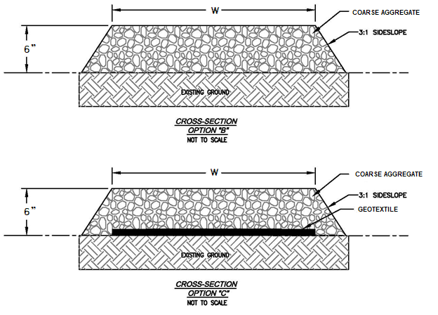

Width = |  |  |  | Area=
 | 12 | Feet (12 to 24) |  |  | 12,000 |  | Sq. Ft.
Length= |  |  |  | Volume=
 | 1000 | Feet |  |  | 250 |  | Cu. Yd.

Option: | B | (B or C)

 | Quantity | Unit | Item
 | 1 | L.S. | Site Preparation
 | 0 | Sq. Ft. | Geotextile
 | 250 | Cu. Yd. | Coarse Aggregate
NOTES:
Geotextile: Nonwoven, Class I or II, as approved by NRCS representative.
Coarse Aggregate: Well graded crushed stone or crushed gravel as approved by NRCS representative. Shall consist of minus 3/4" material with C_{u}>4 & 1<C_{c}<3, containing 3-10% <#200, and 50% of material >#4 with min. one fractured face. MnDOT Class V material shall be considered to meet these requirements.
1. Suited for well to moderately well drained soils.
2. Excavate 6" of topsoil in low areas as needed.Subgrade shall be free of debris, mud, and standing water.
3. The section shall be crowned or cross sloped so water drains off.
4. Geotextile shall not be stretched or slacked. Overlap at least 18" and cover within 48 hours to prevent UV damage.
5. Coarse aggregate shall be compacted by dozer tracks or rubber tire equipment.
6. Not designed for large, heavy equipment such as milk trucks, manure spreaders, or feed trucks.

 |  | LANDOWNER |  |  |  | Designed |  | Date | File Name
 |  |  |  |  |  |  |  | 2020-03-24
 |  | C County |  |  |  | Drawn |  | 2020-03-24 | Drawing Name
 |  |  |  |  |  |  |  |  | Ver. 9/27/2017
 |  | Typical Section |  |  |  | Checked

 |  |  |  |  |  | Approved
 |  | Trails & Walkways |  |  |  |  |  |  | Sheet | of

Option D or E
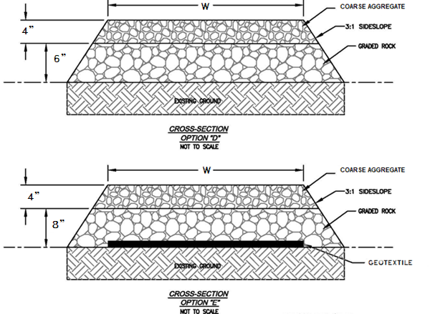

Width = |  |  |  |  | Area=
 | 12 | Feet (12 to 24) |  |  |  | 12,000 |  | Sq. Ft.
Length= |  |  |  | Volume Aggregate=
 | 1000 | Feet |  |  |  | 161 |  | Cu. Yd.
 |  |  |  |  | VolumeRock=
Option: | E | (D or E) |  |  |  | 396 |  | Cu. Yd.

 | Quantity | Unit | Item
 | 1 | L.S. | Site Preparation
 | 12,000 | Sq. Ft. | Geotextile
 | 161 | Cu. Yd. | Coarse Aggregate
NOTES:
Geotextile: Nonwoven, Class I or II, as approved by NRCS representative.
Coarse Aggregate: Well graded crushed stone or crushed gravel as approved by NRCS representative. Shall consist of minus 3/4" material with C_{u}>4 & 1<C_{c}<3, containing 3-10% <#200, and 50% of material >#4 with min. one fractured face. MnDOT Class V material shall be considered to meet these requirements.
Graded Rock: Well graded crushed stone, crushed rock, or crushed concrete/asphalt material as approved by NRCS representative. Shall consist of minus 2.5" material with C_{u}>4 & 1<C_{c}<3, containing 3-10% <3/4", and 50% of material >3/4" with min. one fractured face.
1. Suited for poorly drained soils.
2. Excavate 6" of topsoil in low areas as needed. Subgrade shall be free of debris, mud, and standing water.
3. The section shall be crowned or cross sloped so water drains off.
4. Geotextile shall not be stretched or slacked. Overlap at least 18" and cover within 48 hours to prevent UV damage.
5. Coarse aggregate shall be compacted by dozer tracks or rubber tire equipment.
6. Not designed for large, heavy equipment such as milk trucks, manure spreaders, or feed trucks.
 | 396 | Cu. Yd. | Graded Rock

 |  | LANDOWNER |  |  |  |  | Designed |  | Date | File Name
 |  |  |  |  |  |  |  |  | 2020-03-24
 |  | C County |  |  |  |  | Drawn |  | 2020-03-24 | Drawing Name
 |  |  |  |  |  |  |  |  |  | Ver. 9/27/2017
 |  | Typical Section |  |  |  |  | Checked

 |  |  |  |  |  |  | Approved
 |  | Trails & Walkways |  |  |  |  |  |  |  | Sheet | of

Waterbars
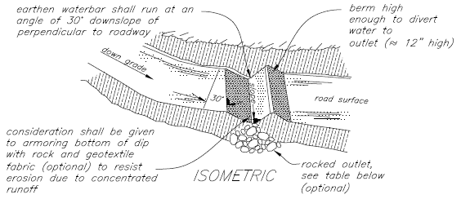

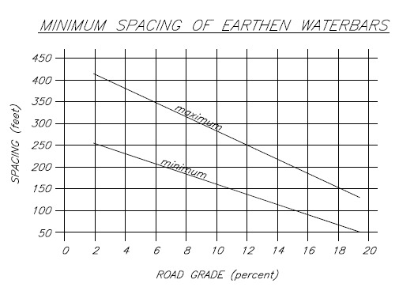
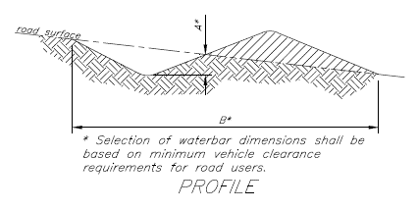

 |  |  |  |  | # Waterbars
Depth A | 8 | Inch |  |  |  | 5 |  | Count
Length B |  |  |  | Geotextile (Y/N)
 | 12 | Feet |  |  |  | Y
 |  |  | Graded Rock (Y/N)
Spacing | 200 | Feet |  |  |  | Y

 | Quantity | Unit | Item
 | 60 | L.F. | Waterbar
 |  | Sq. Ft. | Geotextile
NOTES:
Geotextile: Nonwoven, Class I or II, as approved by NRCS representative.
Graded Rock for Outlet Armoring: Well graded crushed stone, crushed rock, or crushed concrete/asphalt material as approved by NRCS representative. Shall consist of minus 2.5" material with C_{u}>4 & 1<C_{c}<3, containing 3-10% <3/4", and 50% of material >3/4" with min. one fractured face.
1. Waterbar spacing determined using graph. Additional waterbars may be needed based on site specific conditions as determined by NRCS Representative.
2. Recommended waterbar dimensions,
Deep Waterbar A = 24-30in B = 6-10ft
Shallow Waterbar A = 8-12in B = 6-12ft
3. Protect outlet area of waterbar with riprap, stone, or appropriate vegetative cover.
4. Not designed for large, heavy equipment such as milk trucks, manure spreaders, or feed trucks.
 |  | Cu. Yd. | Graded Rock

 |  | LANDOWNER |  |  |  |  | Designed |  | Date | File Name
 |  |  |  |  |  |  |  |  | 2020-03-24
 |  | C County |  |  |  |  | Drawn |  | 2020-03-24 | Drawing Name
 |  |  |  |  |  |  |  |  |  | Ver. 9/27/2017
 |  | Waterbars |  |  |  |  | Checked

 |  |  |  |  |  |  | Approved
 |  | Trails & Walkways |  |  |  |  |  |  |  | Sheet | of

Documentation
1/2000 created- E. Soupir
2/28/2020 defined terms.-M Krcmarik
 | Added explicit coarse aggregate and graded rock definitions on "Option B or C" and "Option D or E" tabs.
 | Coarse aggregate in this instance is mostly crushed stone or crushed gravel material that is smaller than 3/4" and greater than the #200.
 |  | It is well graded to provide strength through interlocking and filling void space. Cu>4 and 1<Cc<3 is well graded per ASTM D2487.
 |  | It contains angular particles to provide for interlocking which creates strength. Min. angularity can be specified by percent of fractured faces on each aggregate per ASTM D5821. In practice visual inspection is used instead of testing.
 |  | MnDOT does not specific min. fractured faces directly, instead at least 10% of the material must come from a quarry and if it comes from a quarry MnDOT assumes it is crushed and therefore contains sufficient fractures faces.
 |  | Generally all stone in this instance is assumed to have been crushed and has good angularity. Stone is synonymous with crushed stone most often when talking with suppliers.
 |  | Gravel may or may not be crushed, gravel that has been crushed is called crushed gravel and generally has good angularity. It is possible for gravel that has not been crushed to have enough angularity. Gravel and crushed gravel are not assumed to be the same thing when talking with suppliers.
 |  | Smooth, rounded gravel is generally to be avoided as it does not have sufficient angularity. River rock, pit run, bank run, septic stone, decorative or landscape rock are generally avoided or require close inspection as they often do not have sufficient angularity, may be too uniform of a gradation, or washed of fines.
 |  | Fines (passing the #200 sieve) in small amounts are needed to act as a binder and help hold the mix together. 3-10% is the limit on MnDOT Class V. Sand (like the stuff you see at the beach) is also needed within your gravel and binder mixture.
 |  | MnDOT Class V is assumed to be a good gradation for this purpose, note however it does have a top end of 1.5" instead of 3/4".

 | Well graded rock in this instance is mostly crushed stone, crushed recycled concrete or asphalt, and sometimes crushed gravel. The material is generally minus 3" and greater than 3/4". It is larger than the coarse aggregate that overlies it.
 |  | It is well graded to provide strength through interlocking. Cu>4 and 1<Cc<3 is well graded per ASTM D2487. This may be not easy to get at times.
 |  | There is some finer (5-10% below the 3/4") material that gets into the mix during processing, however voids in this mix can be readily visible unlike the coarse aggregate surface layer which appears solid.
 |  | There is no MnDOT mix that readily matches this gradation such as was with the MnDOT Class V for Coarse Aggregate.
 |  | Suppliers may not have or be able to make such a gradation. They may have a close material sometimes used to stabilize sites during construction, sometimes referred to as 3" minus recycled, or crushed construction entry rock. The important thing is the material is of mostly the larger particle sizes (3/4"-2.5") and is well graded.
 |  | http://marshallconcreteproducts.com/product/bulk-materials/
 |  | https://www.tillercorp.com/barton-sand-gravel-co/products
 |  | https://plaistedcompanies.com/store/
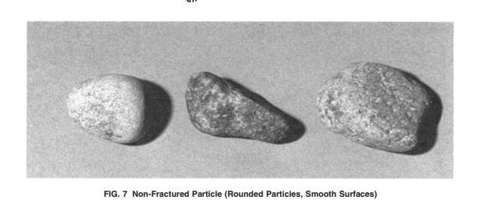
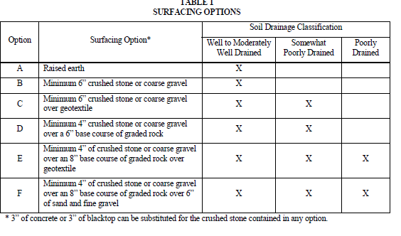
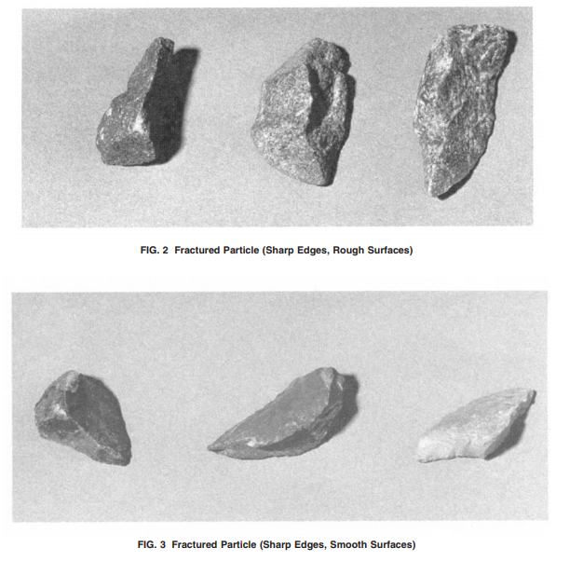

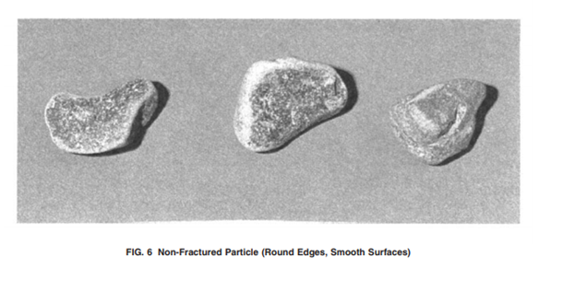

 |  |  | From CPS575 Mn Trails and Walkways 5/2009, this table is used for design purposes in Mn and the basis for this spreadsheet. These terms in this table are the ones being defined.

 |  | ASTM D5821-17 representative examples of graded rock.
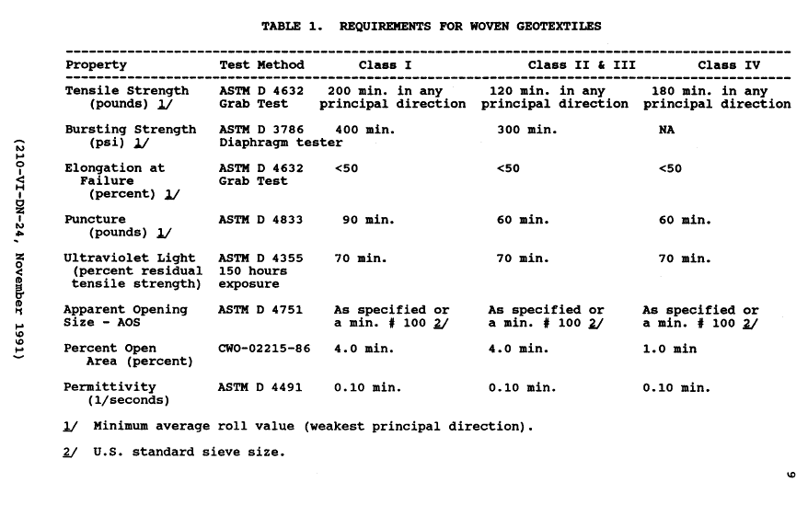
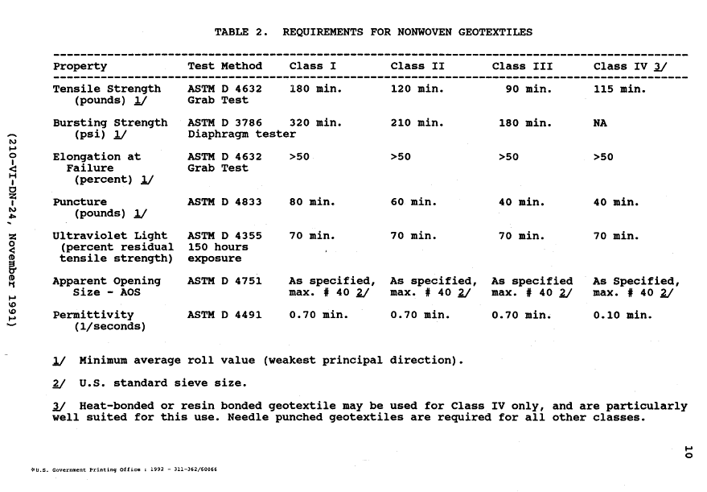

 |  | Geotextile Definitions, NRCS Design Note 24 Guide to Geotextile Design, Table 1 and 2, page 9 and 10.
2020-03-04 | Removed Animal from Animal Trails and Walkways to be consistent. Added geotextile spec. Spellings. -Krcmarik
2020-03-24 | Changed wording, added waterbar sheet (NRCS PA earthern waterbar approach).

