Instructions
EPHEMERAL GULLY MODELING TOOL VERSION 2 INSTRUCTIONS FOR USE
General:
This spreadsheet tool is intended to be a quick analysis tool to determine if residue management practices or cover crops alone will prevent ephemeral gully erosion from occurring. This tool is not to be used for any engineering design applications.

The tool and tables provide the user with maximum concentrated flow area bed slopes that can withstand a given 24-hour storm runoff peak discharge. Maximum bed slopes are determined based on allowable soil tractive stress for the soil type within the concentrated flow area being evaluated. Basically, the tool answers the question “How steep can a concentrated flow area treated with residue or cover crops get before soil is displaced?”.

If the concentrated flow area bed slope measured in the field exceeds the maximum allowable slope identified in the tool, based on cover conditions in both the watershed and the concentrated flow area, a gully is likely to occur during the chosen 24-hour rainfall event.

The tool allows for the analysis of a concentrated flow area treatment separate from the watershed treatment. For example, the watershed may be a mulch till cropping system, while the concentrated flow area may be treated with a cover crop.

Tool results are generated based on selectable user inputs (either entered directly or selected from a list).

Calculation of the correct peak discharge for the watershed being evaluated requires that the user have the following information at hand:
1. Drainage area (watershed) contributing to the gully. 2. Average watershed slope. 3. Soils inventory. 4. Hydrologic Soil Group(s) (HSG) present in the watershed. If more than one HSG is present, use the predominant one. If none are predominant, use the HSG that will result in the conservative highest RCN. 5. Watershed cropping system (clean tillage, conventional tillage, mulch tillage, no-till, or cover crop). 6. Slope of the concentrated flow area (bed slope)

The appropriate maximum slope results for the site being evaluated depend on the soil erodibility category within the concentrated flow area. Refer to the NEH 650 EFH Chapter 7 Amendment – “Soil Erodibility Categories for Nebraska Soils”. Clays with USCS classification of CL or CH (Low Plastic or High Plastic Clays) are typically considered “Erosion Resistant” soils (with an allowable maximum soil stress of 0.05 lbs/sq.ft.). Silt Loams and Sandy Loams with USCS classification of ML or SM are typically considered “Erodible” soils (with an allowable maximum soil stress of 0.03 lbs/sq.ft.). Soils that are categorized as “Very Erosion Resistant” should be conservatively analyzed as “Erosion Resistant”. There are instances of silt loam soils falling into the “Erosion Resistant” category and silty clay loams falling into the “Erodible” category, which is why the erodibility category must be verified. The tool should not be used for for sands categorized as “Easily Eroded”.
Hydrologic Soil Group(s)
Version 2 removed soil textural/USCS classification selection dropdown and comment popup (4 choices – “CH”, “CL”, “ML” or “SM”), and replaced with soil erodibility category selection dropdown(Very Erosion Resistant, Erosion Resistant, Erodible & Easily Eroded). There are too many instances of CL/ML silt loams being “erosion resistant” and CL silty clay loams being “erodible”. Users need to refer to NE Amendment 45 of the NEH-650, Engineering Field Handbook, Chapter 7, Grassed Waterways, “Soil Erodibility Categories for Nebraska Soils”, available via the eFOTG, Section I, Reference Lists, Engineering, NEH-650 (EFH) Amendments Index, or at the following link. The amendment explains step-by-step how to use Web Soil Survey to generate a county-wide list of soil erodibility categories for all soils in the county.
https://efotg.sc.egov.usda.gov/references/public/NE/Erosion_Category_for_Nebraska_Soils.pdf
Version 2 also removed evaluation of “Easily Eroded” soils, so a comment pops up, the maximum bed slope goes to "N/A!" and all table data disappears when “Easily Eroded” is selected.

Channel geometry used in the tool is assumed to be parabolic, with the intention that the top width can be determined visually in the field without the need for precise surveying. Flow area top width should be measured at a depth of 0.5 feet, and confirmed in the field whenever possible. Is the flow area narrow and incised, or is it broad and shallow in nature? Note: Measure the top width at a depth of 0.5 feet in the concentrated flow area as though the gully is NOT present. Version 2 removed all references to variable flow depths in the flow area and require measurements be taken at 0.5 feet depth. Drainage areas and watershed average slopes should be determined utilizing established methods (aerial photography, ArcMap tools, GPS, etc.).

Analyzing concentrated flow areas: Analysis begins with identification of concentrated flow areas within the treatment unit. This can be done in the office using aerial photography and LiDAR hillshade initially, but should be verified in the field. Any area of concentrated flow can potentially become an ephemeral gully. The higher risk concentrated flow areas will generally be characterized by narrow channels with limited capacity and/or low residue conditions. Field analysis of concentrated flow features might begin with the lower tolerance areas, because this may allow the user to eliminate some of the medium and higher tolerance areas from consideration by comparison. Surface residue conditions are determined using RUSLE2 based on residue available at the time of planting using the worst-case year of the planned crop sequence including the sodbuster year, if applicable. If a significant area of land-leveling or shaping has occurred in a concentrated flow area such that virtually all vegetation and topsoil has been removed it is recommended that a higher RCN be used to represent the drainage area.
The point within a concentrated flow area where slope and channel capacity characteristics should be determined is subject to interpretation based on what is typical for the channel while achieving as much as possible a balance between maximum slope and maximum drainage area. Refer to the example illustrations below regarding how to choose the point of analysis on a gradient.
Typically, not every concentrated flow feature within the treatment unit will need to be analyzed. In many cases, especially as experience is gained, it will be obvious that some concentrated flow features have a combination of slope and channel capacity that lend to a quick determination. Caveat: This tool is based on a series of assumptions that drive both the calculation of peak discharge and the calculation of maximum allowable slope. The user should review and become familiar with the assumptions made (refer to the Assumptions tab). If, on a given treatment unit, the site conditions clearly do not reflect the assumptions used in the tool, then a site-specific analysis should be performed using the appropriate methodology and software programs and inputs (i.e. EFH Chapter 2 formulas/figures, EFH-2 software, EFH Chapter 7 formulas/tables, Engineering Field Tools Waterway Wizard, etc.).

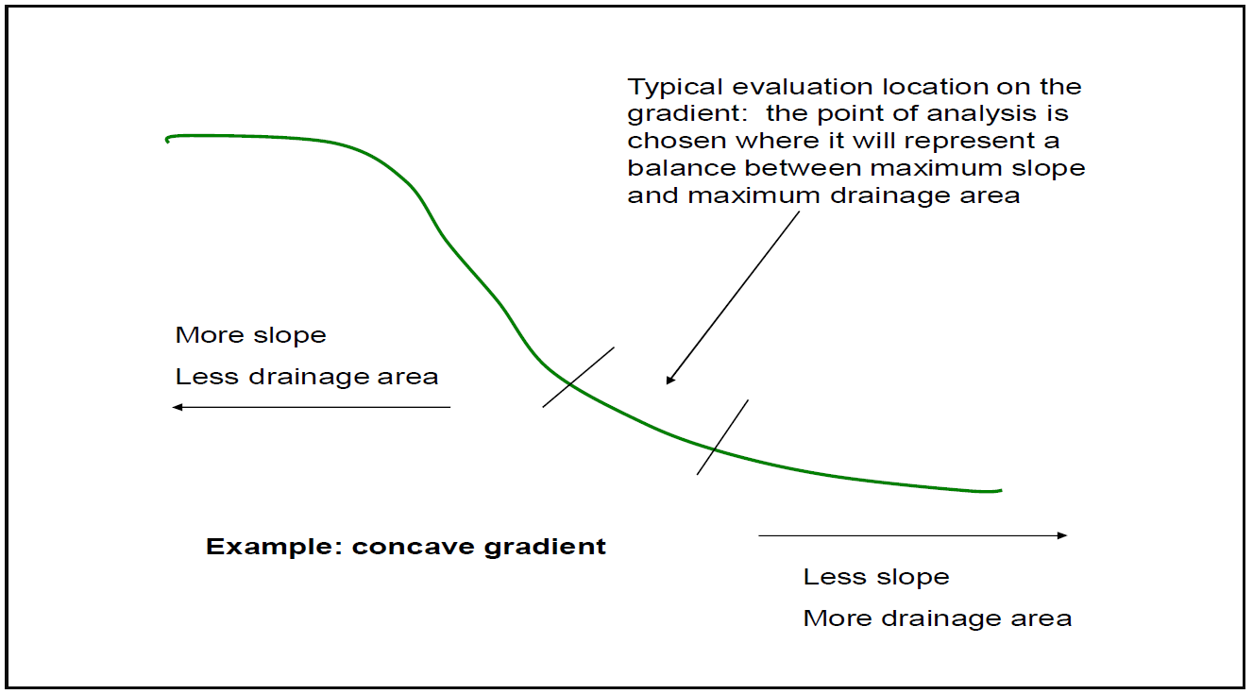

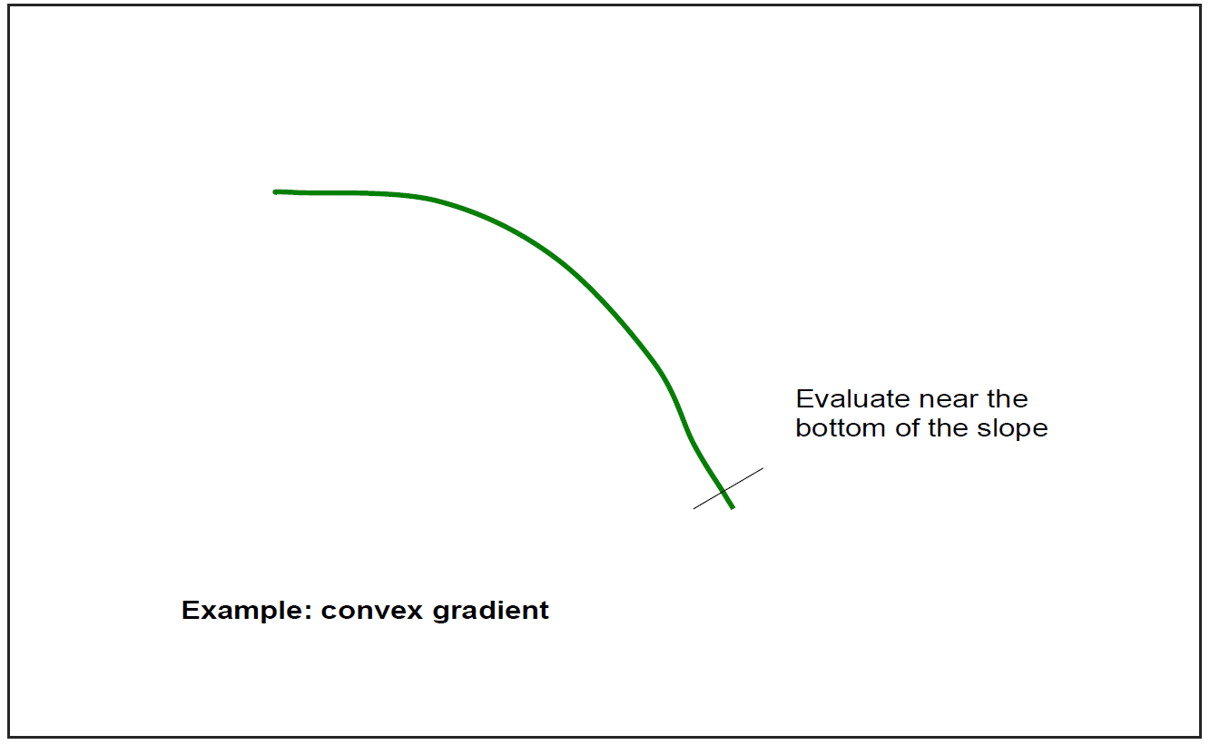

Additional Version 2 upgrades

When the county is selected for the field worksheet, all tables throughout the workbook (Cover Crop, Conventional Tillage, Mulch Tillage, No-Till) reflect that county selection. The user doesn’t have to remember to select/update the county for each table. The runoff curve number, watershed acres and average watershed slope can still be edited.

Added conditional formatting to the field worksheet that highlights/clarifies and “grays out” portions of the bed slope results tables depending on user selections for watershed treatment, gully treatment, top width and soil erodibility

