Map
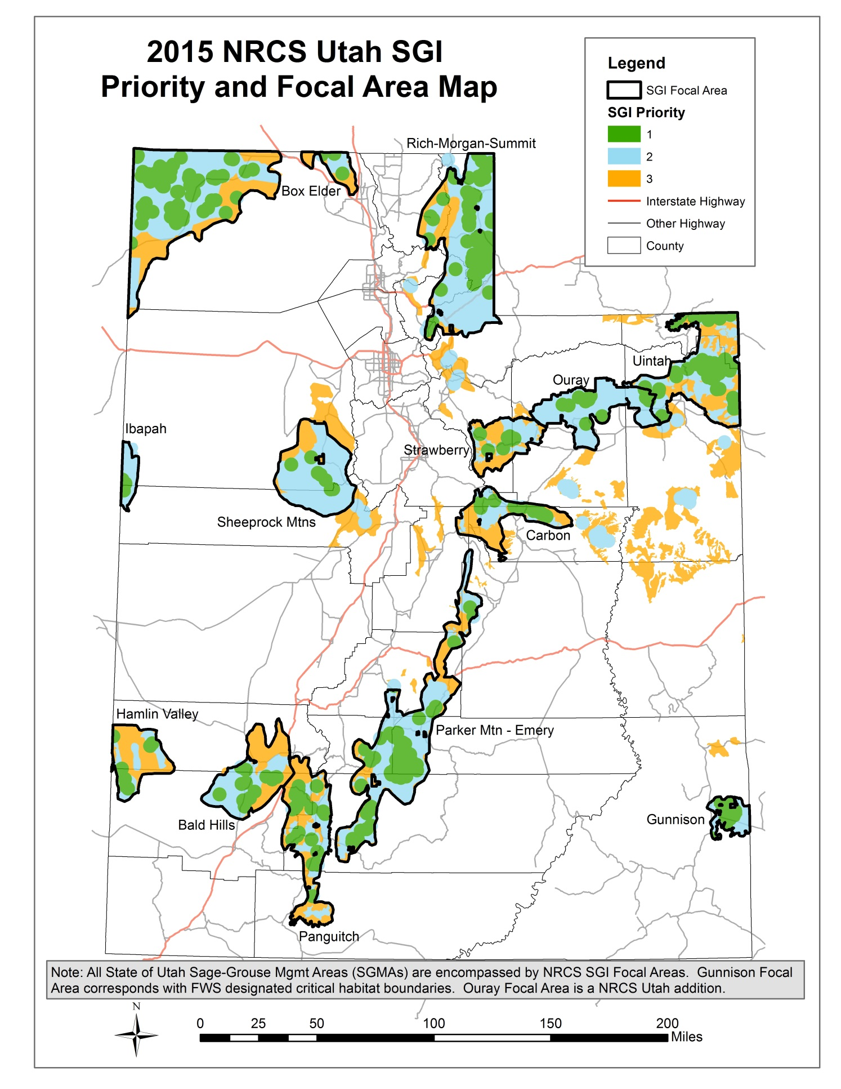
SGI Priority Area Map and Focal Areas
To be used for NRCS threats checklist focal area identification.

