Map
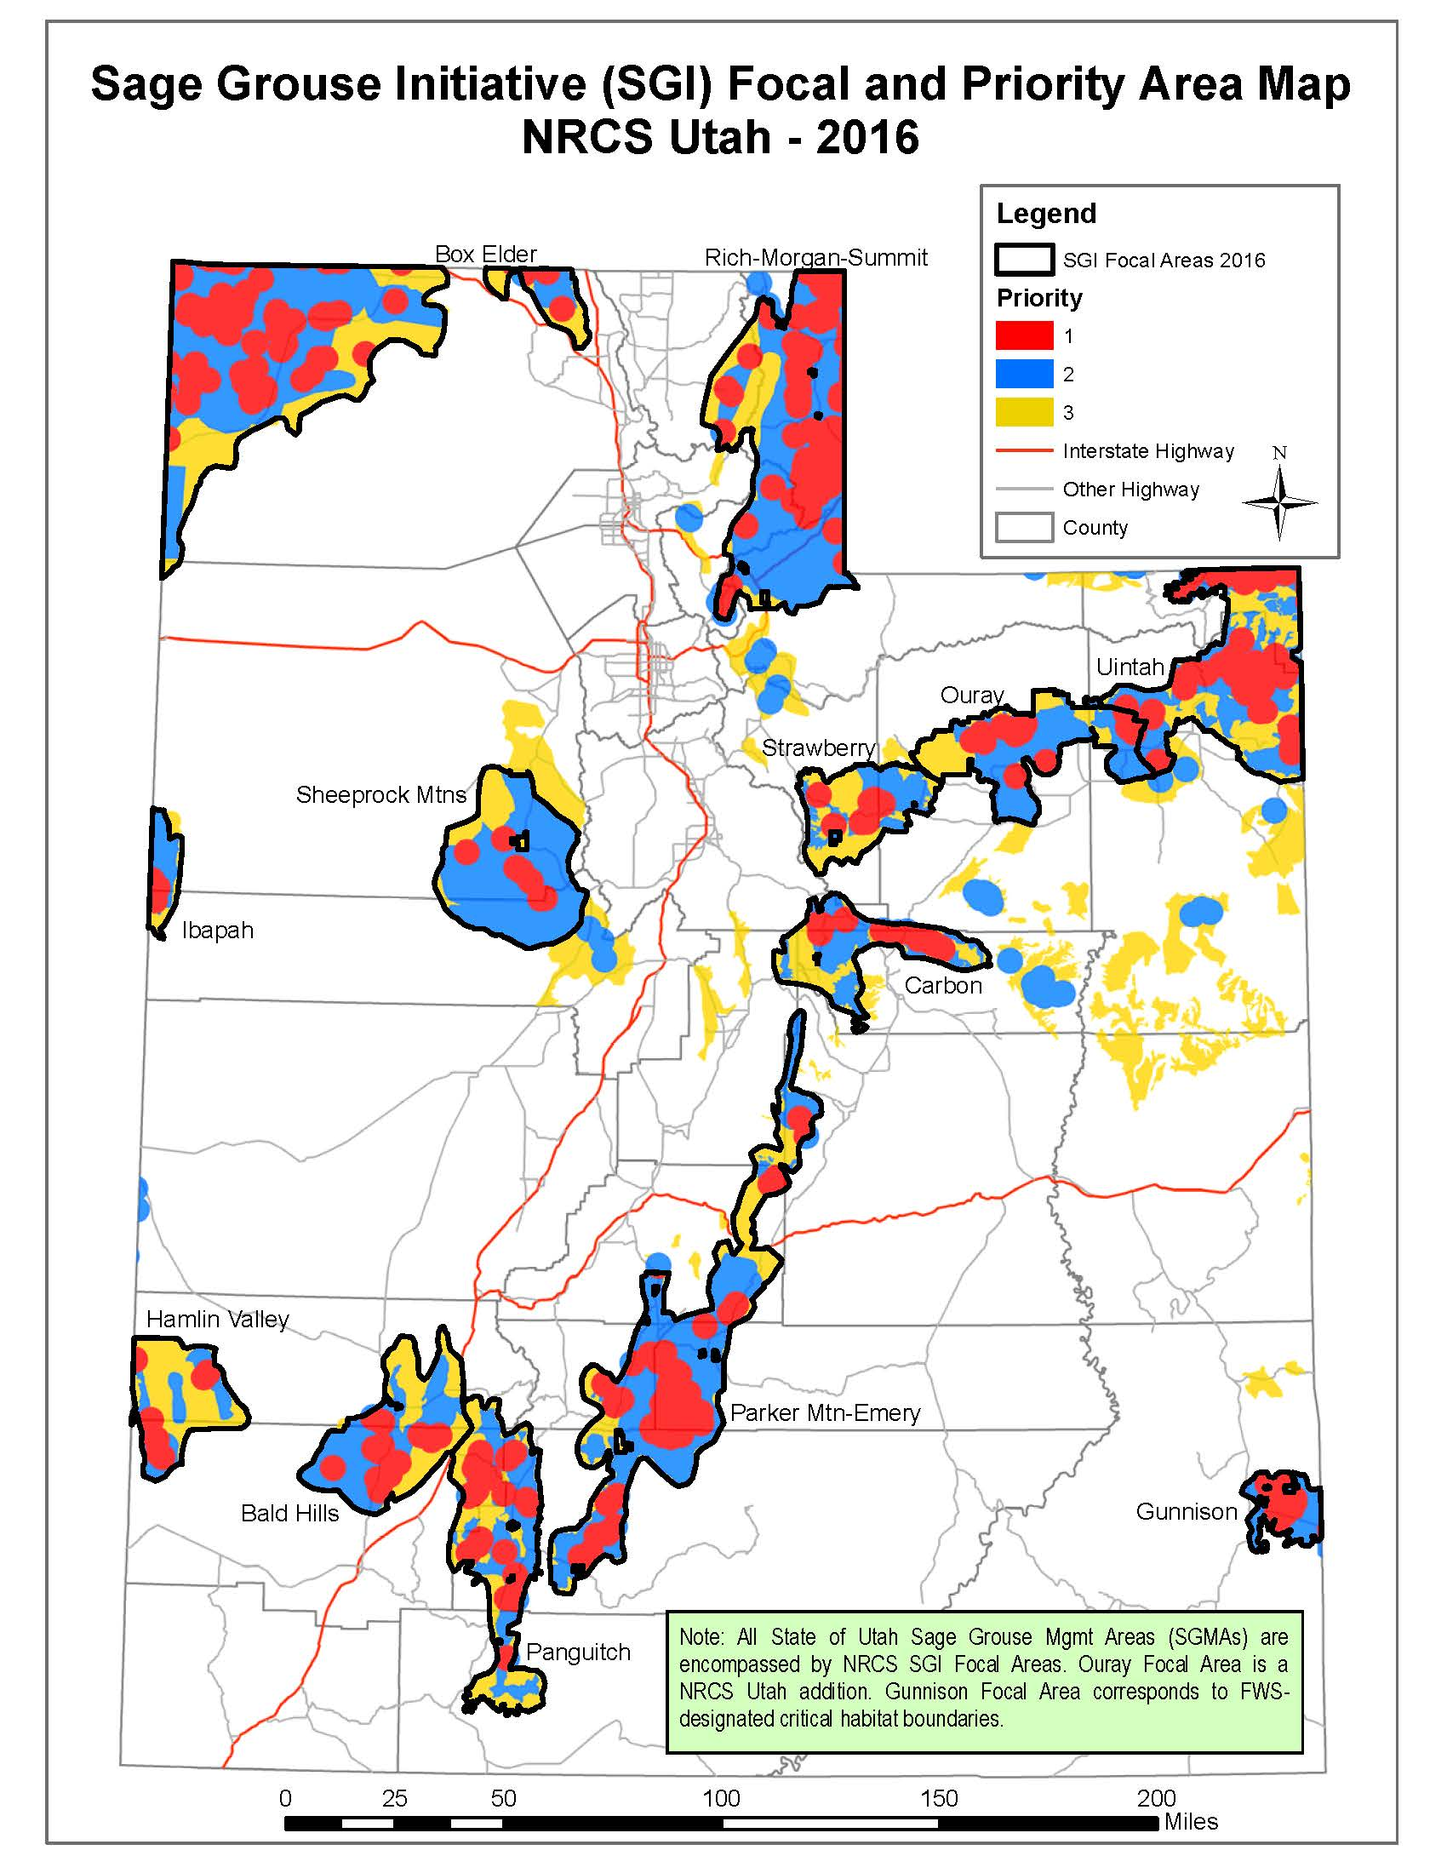
SGI Focal and Priority Area Map
To be used for NRCS threats checklist focal area identification.

