Should you use Mesic or Xeric
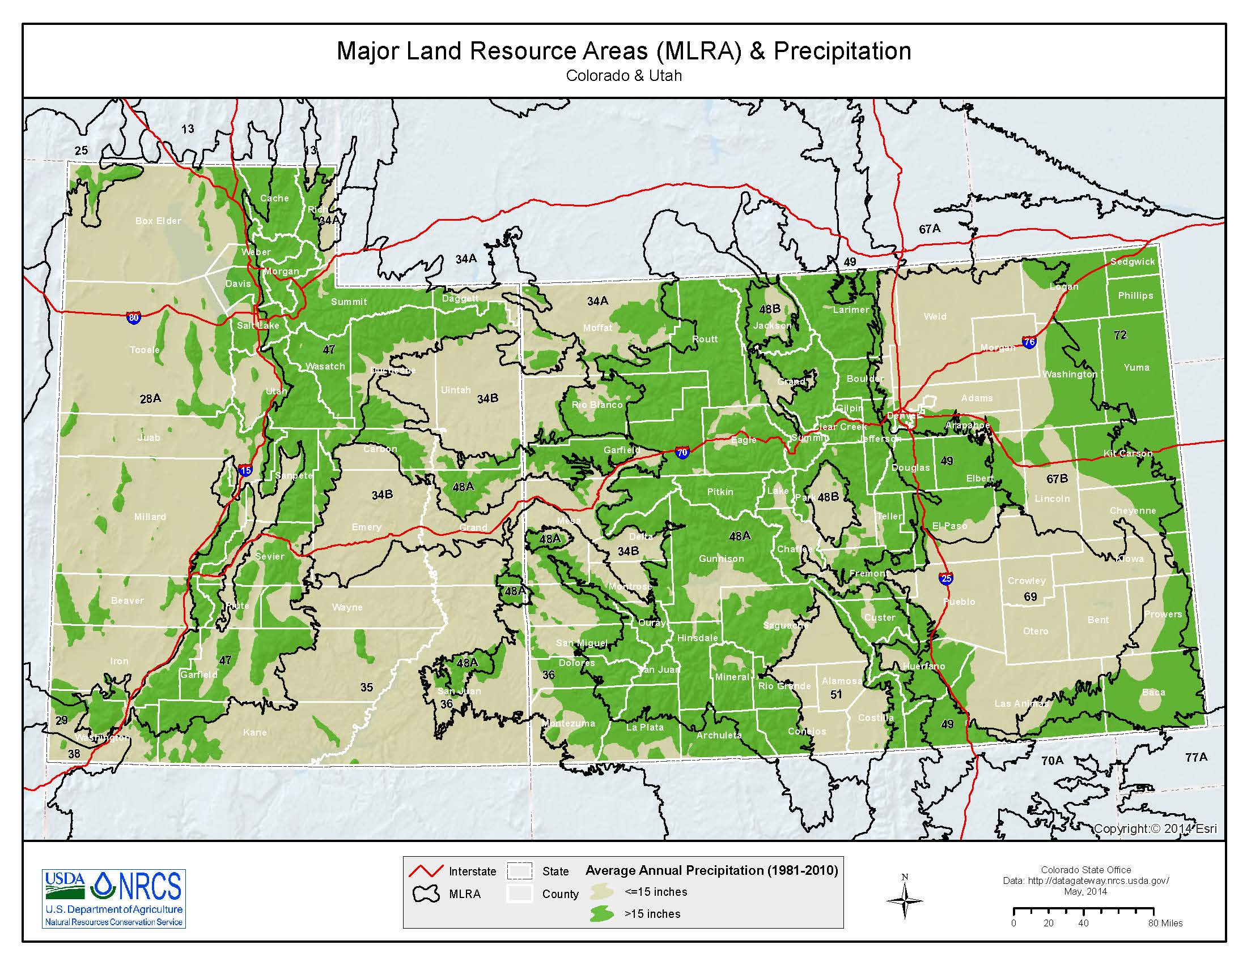
Use Mesic model in MLRAs 48A & 47 or in areas with mean annual precipitation > 15 inches

Use Xeric model in MLRAs 48B, 34A, & 36 or in areas with mean annutal precipitation < 15 inches

