Map
SGI Priority Area Map and Focal Areas
To be used for NRCS threats checklist focal area identification.
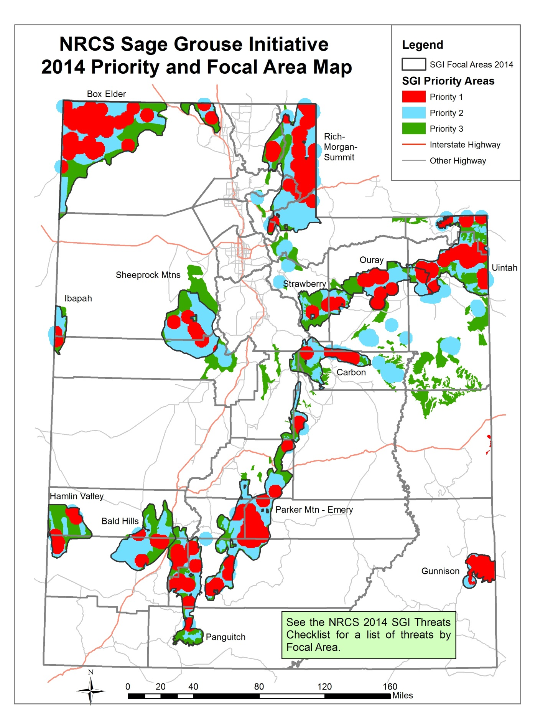

All NRCS SGI plans should address at least one threat identified from the local population or the management of the land must currently be addressing one threat. See table and map on the next tabs to determine which population you are planning in or near and which threats are present in the population. Additional practices can be planned that do not specifically address threats if the practices benefit sage grouse habitat and one threat is addressed. If the threat is addressed in the conservation planning area and lessened but not eliminated, insert a 1 in column F. If the threats is completely eliminated or has been completely eliminated with the conservation planning area, insert a 2 in column F. If any threat is increased from the conservation plan, enter a 0 in column G. The proposed action must be modified to ensure the plan is at least benign to all threats, and ideally beneficial in reducing sage grouse threats.

 | Treatment Options^

